1. Title Page
[Project Name]

Project Name: Instacart Basket Analysis
Date: April 2024
Analyst Name: Max Caesar

Contents:
Population Flow
Consistency checks
Wrangling steps
Column derivations
Visualizations
Recommendations

Data Citation: | “The Instacart Online Grocery Shopping Dataset 2017”, Accessed from www.instacart.com/datasets/grocery-shopping-2017 via Kaggle on February 2024.
 | *Customer data as well as the “prices” column in the products data set, were both fabricated for the purpose of this course.

2. Population Flow
Title page

Population flow

Exclusion flag
Condition: max_order < 5
Obervations to be removed: 1440295
Final total count of order_products_all: 30964564

Orders_products_combined
Orders_products_merged
df_Instacart_Final

Total: 32404859
Tota: 32434489
Total: 32404859

1.) The grey boxes in the first row of the population flow represent the original data sets as they were when you downloaded them. In the Total fields you need to add the count of the rows when you imported the data set into Jupyter.
2.) The second row of boxes (coloured) represents the data sets after you manipulated them, e.g., removed missing values and duplicates. In the Total fields you need to add the count of the rows after conducting these operations. This offers a visual oveview of how the data flows throughout the data consistency checks.
3.) The third row, where also the arrows are coloured, represents the merges you performed between the datasets. In the Total fields you need to add the count of the rows in the merged datasets, so that you end up with the final dataset (in the red box). Keep in mind the final dataset should be without exclusions (based on the exclusion flag).

3. Consistency checks
 |  |  |  | Title page
Consistency checks

Dataset | Missing values | Missing values treatment | Duplicates
orders | 206209 missing values in days_since_prior _order | first time customers - no removal
products | product name 16 missing values | dropped | 5 duplicates dropped
orders_products_prior
customers | First Name 11259 missing values | ignored
df_Instacart_Prepared_Data | 5127 Rows are outliers | changed to NaN

4. Wrangling steps
 |  |  |  | Title page
Wrangling steps

Columns dropped | Columns renamed | Columns' type changed | Comment/Reason
eval_set |  |  | not needed
 | order_dow -> orders_day_of_week |  | readability
 |  | order_id to str | don't want it included in statistics
 | order_number -> number_of_orders |  | readability
First Name |  |  | problematic PII
Surnam |  |  | problematic PII

5. Column derivations
 |  |  |  |  | Title page

Column derivations and aggregations

In this tab you should add tables below that the frequences of flags/label variables that you produced after deriving them. NB: don't do this for continuous variables, only for flags.
Dataset | New column | Column/s it was derived from | Conditions
df_ords_prods | price_range_loc | prices | prices > 15 : 'High-range product' prices > 5: 'Mid-range product' prices <= 5: 'Low-range product'
df_ords_prods | busiest_days | orders_day_of_week | value 0 : "Busiest days" value 4: "Slowest days" else: "Regularly busy"
df_ords_prods | busiest_day | orders_day_of_week | value 0 - 1 : "Busiest days" value 3 - 4: "Slowest days" else: "Regularly busy"
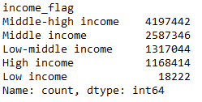
df_ords_prods | busiest_hours | order_hour_of_day | value = 3 , 4 , 2, 5 or 1: "Fewest orders" value = 8, 18, 19, 20, 7, 21, 22, 23, 6 or 0: "Average orders" else: "Most orders"
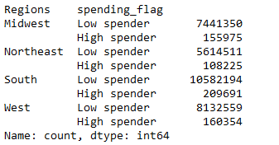
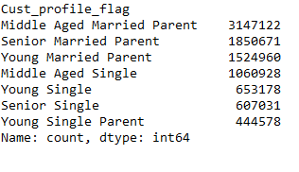
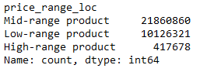
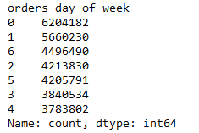
df_Instacart_Prepared_Data | loyalty_flag | max_order | order > 40 = 'Loyal customer' order = <= 40 & > 10 = 'Regular customer' order = <= 10 = 'New customer'
df_Instacart_Prepared_Data | spending_flag | product_price_mean | average spending <10 ='Low_spender' average spending >= 10 = 'High_spender'
df_Instacart_Prepared_Data | order_frequency_mean | days_since_prior_order | Mean
df_Instacart_Prepared_Data | order_frequency_flag | days_since_prior_order | frequency >20 = 'Non-frequent customer' frequency >10 & <=20 = 'Regular customer' frequency <=10 = 'Frequent customer'
df_Instacart_Final_new_Var | Activity_flag | max_order | max_order >= 5 = high_activity_customer max_order < 5 = low_activity_customer
df_Instacart_Final_new_Var | Cust_profile_flag | Age, n_dependants, fam_status | Age: 18-35 young, 36-64 middle aged, 65+ senior -Family status: single, married, widdowed (counted as single), living with parents and siblings (counted as single) -Parents: Yes/No Young Single Young Single Parent Young Married Young Married Parent Middle Aged Single Middle Aged Single Parent Middle Aged Married Middle Aged Parent Senior Single Senior Single Parent Senior Married Senior Married Parent | 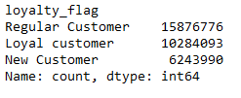 |  |  |  | 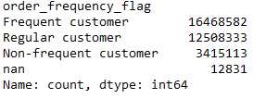
df_Instacart_Final_new_Var | Regions | STATE | based on https://simple.wikipedia.org/wiki/List_of_regions_of_the_United_States
df_Instacart_Final_new_Var | income_flag | income | Low income: up to 28.000 low-middle income: 28,001 to 55.000 middle income: 55.001 to 89.744 middle high income: 89.745 to 149.999 high income: from 150.000 upwards

6. Visualizations
 |  | Title page

Visualisations

In this tab you should include all the visualtions from Exercises 4.9 and 4.10, alongside the questions from the project brief that they answer. Include any commentary on the relationship between different variables.





Order/day of the week Shows how busy each day of the week is - Saturday and Sunday are the most busy. | Buying Frequency distribution of all orders prices Shows the distribution of all prices across all orders. We manage to see a significant decline in orders when the product costs more than 15$. |  |  |  | Order/hour of the day The busiest hours are from 10 am up to 4 pm.

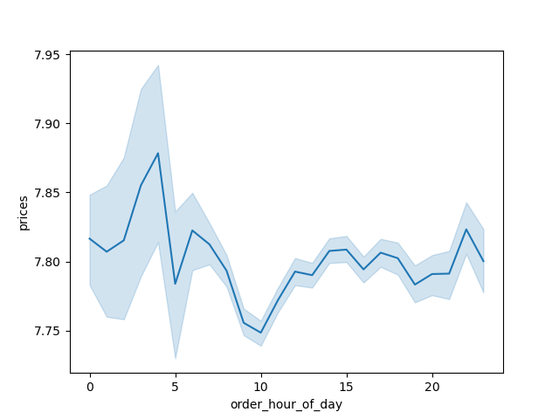
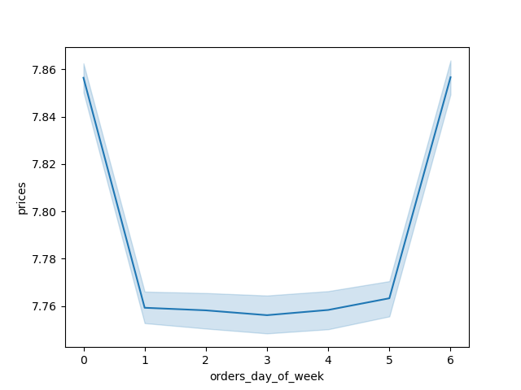
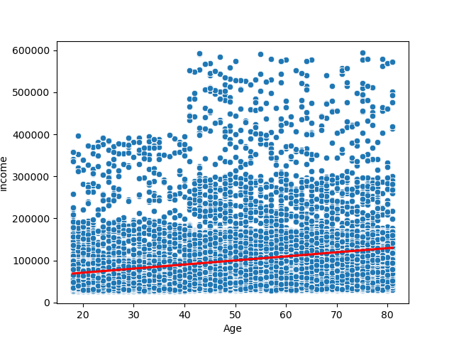
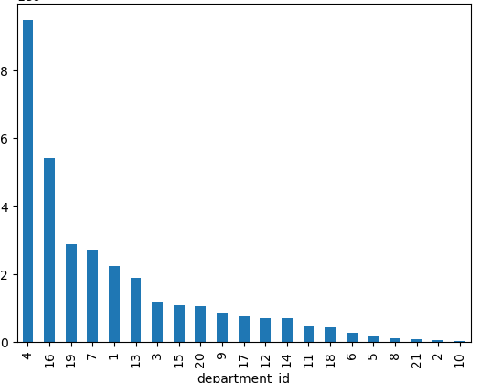

Spending across the day Orders are low to average between 8 am and 4 pm. We have a lot of variance in the night hours. | Spending across the week Spending is the highest in Saturday and Friday. |  |  |  | Age and Income As we can see, we have an increase in income with growing age. |  | Order count in each department Most orders are in department 4 (produce), followed by 16 (household), 19 (deli) and 7 (pets).

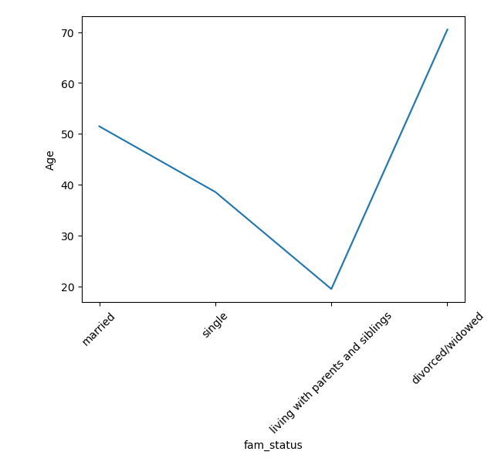
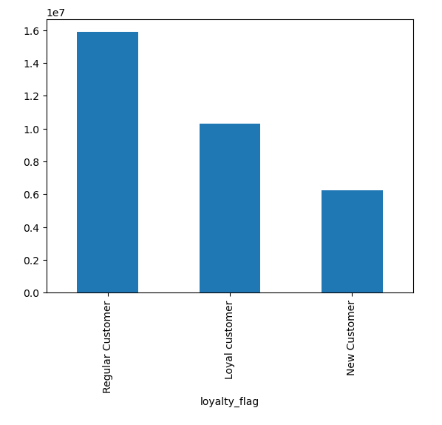
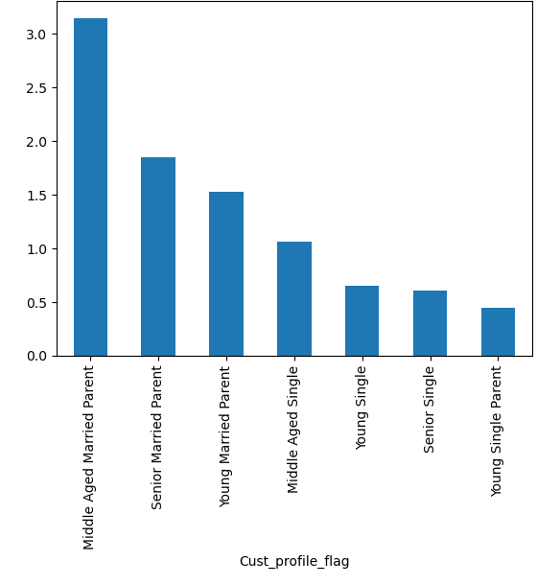
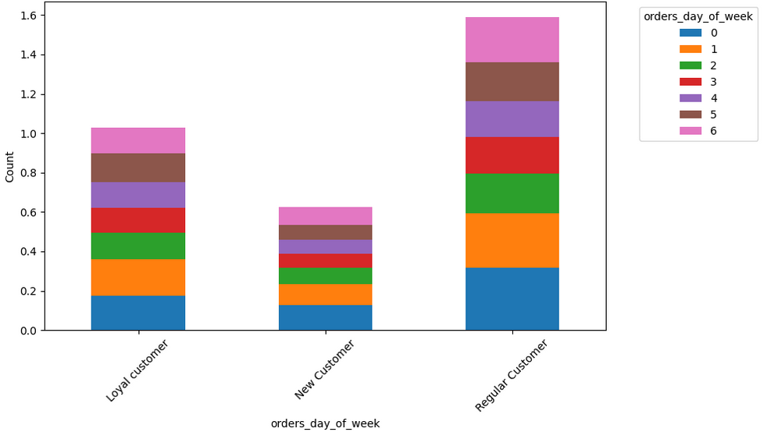

Family Status and Age Married Customers are around 52 years old, Singles around 40, living with parents and siblings in their early 20s and divorced/widowed around 70. | Customer loyality groups Most of our customers are Regular Customers, followed by Loyal Customers and New Customers at last. |  |  | Customer Profile distribution Most of our Customers are Middle Aged Married Parents, followed by Senior Married Parents and Young Married Parents -> Most of our customers are married and parents. |  |  | Counts of orders_day_of_week by loyalty_flag Loyal and Regular customers are mostlsy buying on the weekend, while New Customers are buying primarely on Saturday.

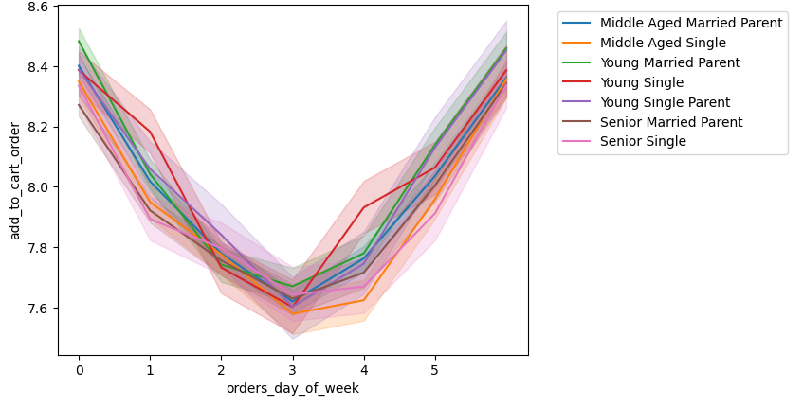
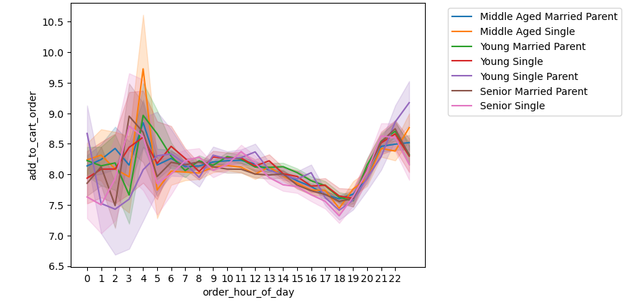


Baby Products for each Customer Profile Group The Middle Aged Married Parents, Senior Married Parents and Young Married Parents are most likely to buy Baby Products. | Alcohol Orders over the week The Alkohol Orders are rising heading into the weekend, while dropping afterwards. There are no significant differences between the Customer Profiles |  |  |  |  | Alcohol Orders on the day Most of the Alcohol Orders are from the evening into the morning.

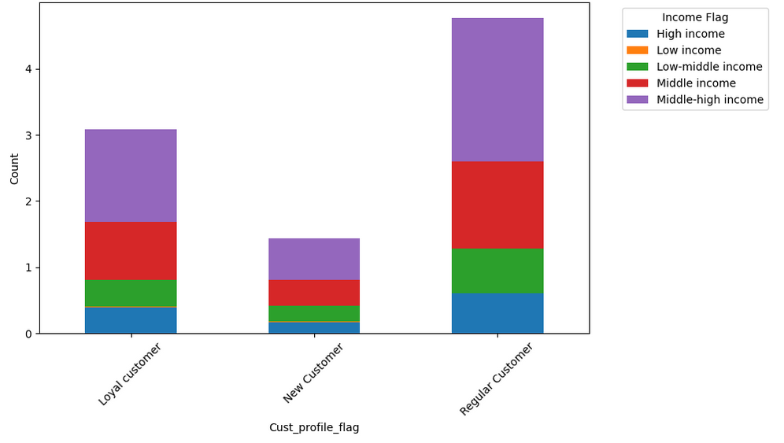
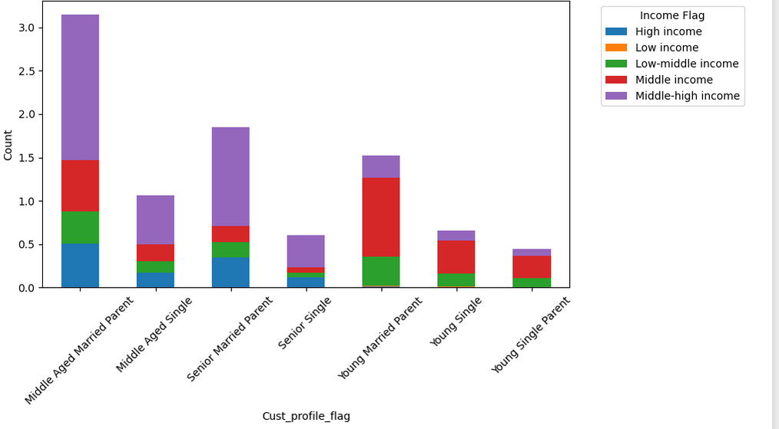
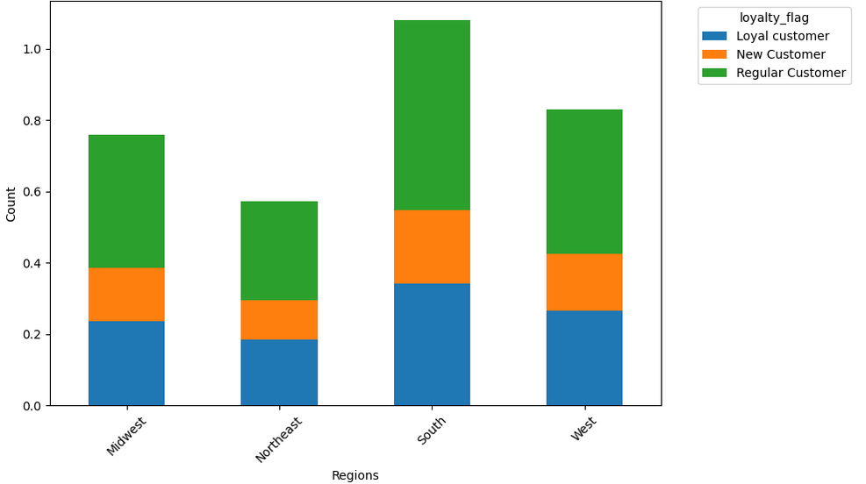

Income groups distribution in our loyality groups Most of our customers have middle-high income, followed by a middle income. The distributions are the same troughout the loyality groups. |  |  | Income groups distribution in our customer profiles The income distribution in our groups are the same as in the loyality groups, with one difference: In the Young Married Parent, Young Single and Young Single Parent group is the middle income the most common. |  |  |  |  | Loyalty groups in each Region As we can see the Regular Customer group is the most prominent in each Region, followed by the Loyal Customer Group.

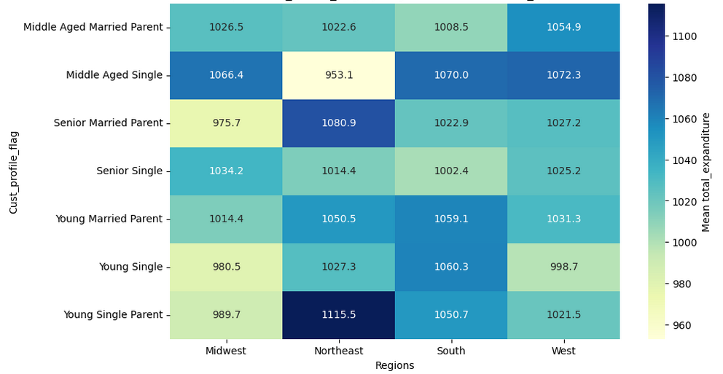

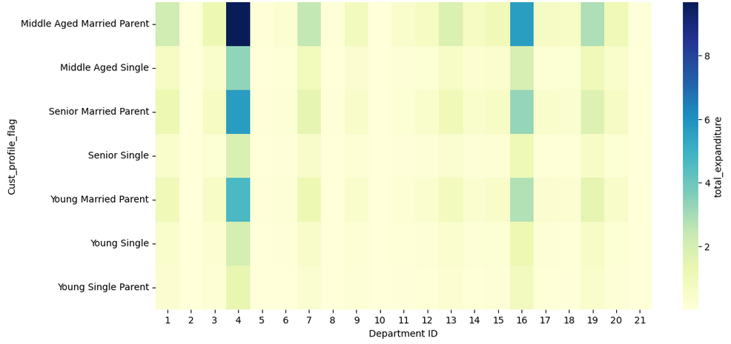

Customer Profiles across Regions The Customer Profiles behave relativly the same across the whole country, with small differences, like Young Single Parents are more likely to buy than in the Midwest - But still very close to each other. |  |  | Customer Profile expanditure in the different departments All Customer Profiles share similiar behavior. The only outlier are the Middle Age Married Parents in the Produce department.

7. Recommendations
 |  | Title page

Recommendations

In this tab you should include any recommendations you would made to Instcart in terms of their marketing strategy based on the questions posed in the brief. Every key question has been covered in the Tasks of the Exercises - here you need to add an item - a visualisation or table/crosstable that is showing the answer in the data, acompanied by a comment from you. Please, list the questions below and add the answer underneath.

Order/day of the week
Order/hour of the day
Spending across the week
Key Question 1 | What are the busiest days of the week and hours of the day in terms of orders?
Answer | The busiest days of the week are Saturday and Sunday. The busiest hour is between 10 am and 4 pm.
Key Question 2 | Are there particular times of the day when people spend the most money?
Answer | People spend the most amount of money in the night time and late evening. Overall the difference is very small.
Spending across the day
Key Question 3 | Instacart has a lot of products with different price tags. Can simpler price range groupings be used to help marketing and sales direct their efforts?
Answer | We generated the price_range_loc: 'prices > 15 : 'High-range product', prices > 5: 'Mid-range product', prices <= 5: 'Low-range product'. Most of our Products are in the Mid-range, followed by Low-range products. Additionally we can see that the Spending rapidly declines if the product costs over 15$.
Buying Frequency distribution of all orders prices
Key Question 4 | Are there certain types of products that are more popular than others? The marketing and sales teams want to know which departments have the highest frequency of product orders.
Answer | Most orders are in department 4 (produce), followed by 16 (household), 19 (deli) and 7 (pets).
Order count in each department
Key Question 5 | What’s the distribution among users in regards to their brand loyalty and are there differences in ordering habits based on a customer’s loyalty status?
Answer | Most of our customers are Regular Customers, followed by Loyal_Customers and New Customers at the bottom. Loyal and Regular customers are mostlsy buying on the weekend, while New Customers are buying primarely on Saturday.
Customer loyality groups
Counts of orders_day_of_week by loyalty_flag
Key Question 6 | Are there differences in ordering habits based on a customer’s region?
Answer | We have the biggest customer group in the soutch, followd by the West and Midwest relativly close to each other. The north east is on the last place. The mean expanditure is relativly close to each other except for the Young Single Parents in the Northeast, who are spending more than the other Customer Profile Groups.
Customer Profiles across Regions
Loyalty groups in each Region
Key Question 7 | What different classifications does the demographic information suggest? Age? Income? Certain types of goods? Family status?
Answer | Regarding age we can see that the buying power increases with age. Most of our customers are in the Middle-high and middle income bracket and married with kids (across all age groups). The biggest group by far are the middle aged married parents with 33%, followed by senior married parents with 19.9%.
Income groups distribution in our loyality groups
Income groups distribution in our customer profiles
Age and Income
Customer Profile distribution
 |  |  | 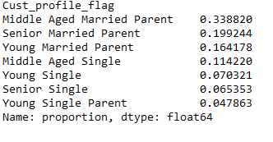
Key Question 8 | What differences can you find in ordering habits of different customer profiles?
Answer | All Customer Profiles seem to have similiar habits, with the Middle Aged Married Parent (our biggest customer group) ordering more produce than the other groups.

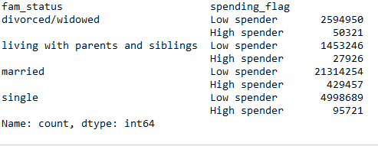

Customer Profile expanditure in the different departments

